Sheet1
No. | Picture | Size | quantity
KA188 | 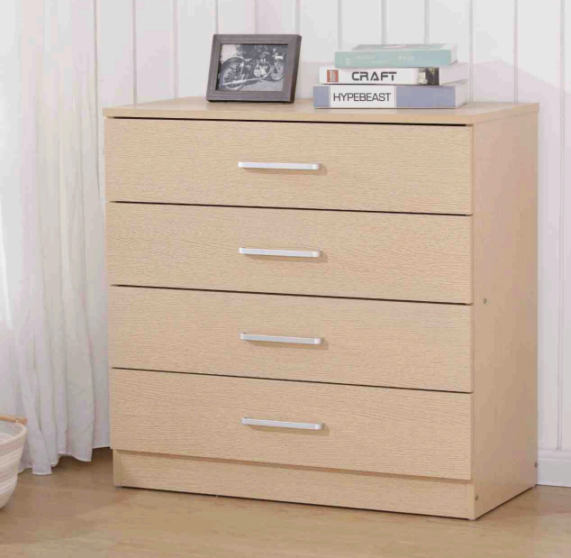 | 75*36*72cm 12MM high-density MDF All drawers have crossbeams at the bottom, all with 2-in-1 screws and | 150 | £35.50
KA189 | 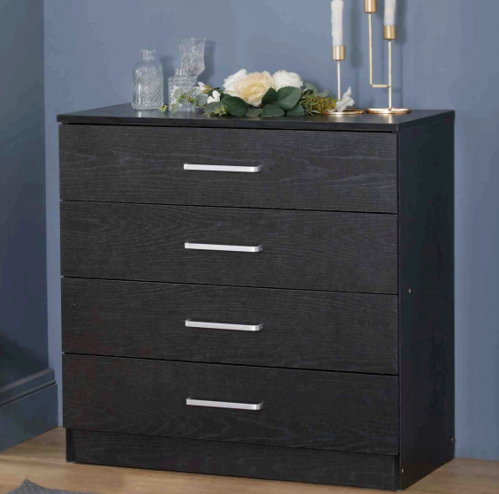 | 75*36*72cm 12MM high-density MDF All drawers have crossbeams at the bottom, all with 2-in-1 screws and | 220 | £35.50
KA237 | 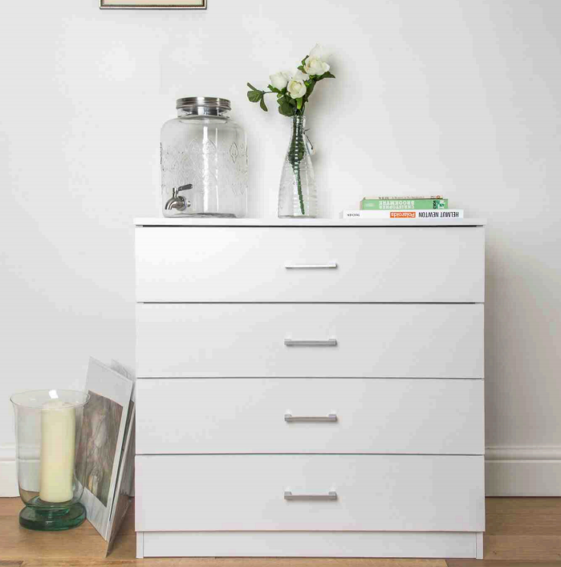 | 75*36*72cm 12MM high-density MDF All drawers have crossbeams at the bottom, all with 2-in-1 screws and | 510 | £35.50
KA233 | 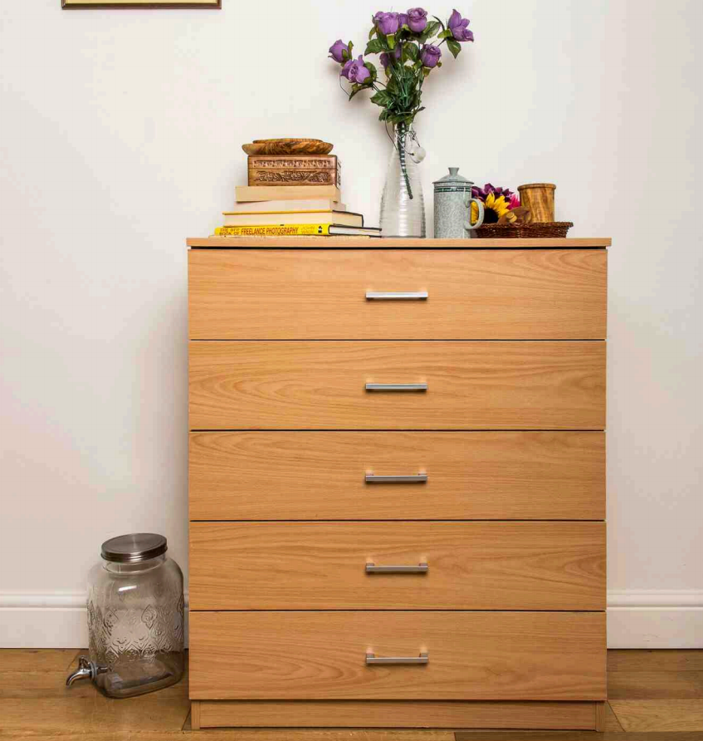 | 75*36*90cm 12MM high-density MDF All drawers have crossbeams at the bottom, all with 2-in-1 screws and | 230 | £35.50
KA234 | 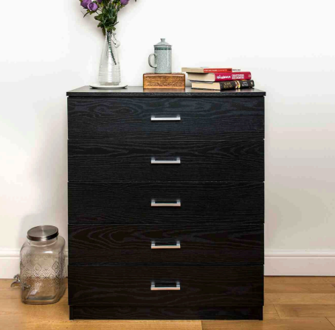 | 75*36*90cm 12MM high-density MDF All drawers have crossbeams at the bottom, all with 2-in-1 screws and | 235 | £35.50
KA235 | 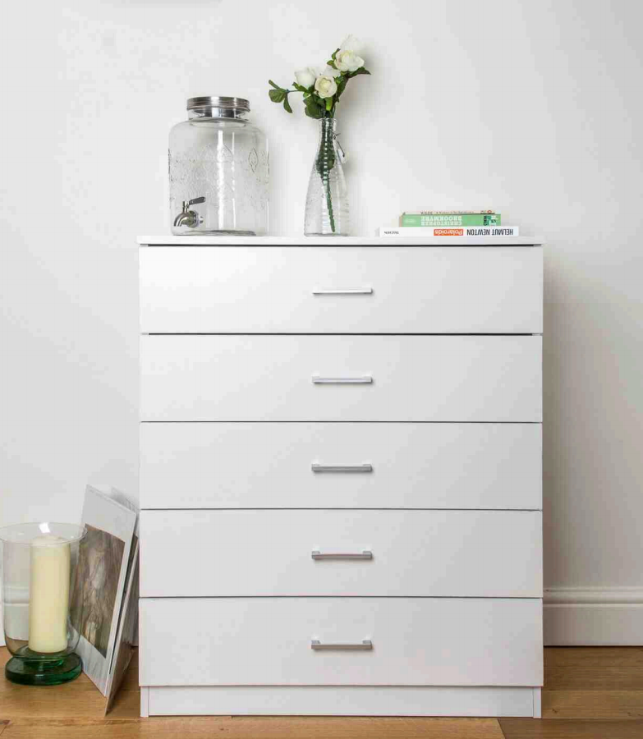 | 75*36*90cm 12MM high-density MDF All drawers have crossbeams at the bottom, all with 2-in-1 screws and | 211 | £35.50
KA188 |  | 75*36*72cm 12MM high-density MDF All drawers have crossbeams at the bottom, all with 2-in-1 screws and | 117 | £35.50
KA189 |  | 75*36*72cm 12MM high-density MDF All drawers have crossbeams at the bottom, all with 2-in-1 screws and | 103 | £35.50
KA233 |  | 75*36*72cm 12MM high-density MDF All drawers have crossbeams at the bottom, all with 2-in-1 screws and | 280 | £41.40
KA234 |  | 75*36*90cm 12MM high-density MDF All drawers have crossbeams at the bottom, all with 2-in-1 screws and | 109 | £41.40
KA235 |  | 75*36*90cm 12MM high-density MDF All drawers have crossbeams at the bottom, all with 2-in-1 screws and | 87 | £41.40
KA237 |  | 75*36*90cm 12MM high-density MDF All drawers have crossbeams at the bottom, all with 2-in-1 screws and | 79 | £35.50
KA465 | 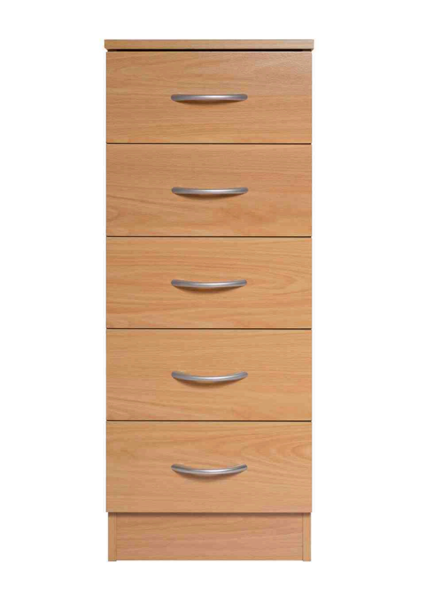 | 34.5*33*85.5cm 12MM high-density MDF All drawers have crossbeams at the bottom, all with 2-in-1 screws and | 200 | £41.40
KA466 | 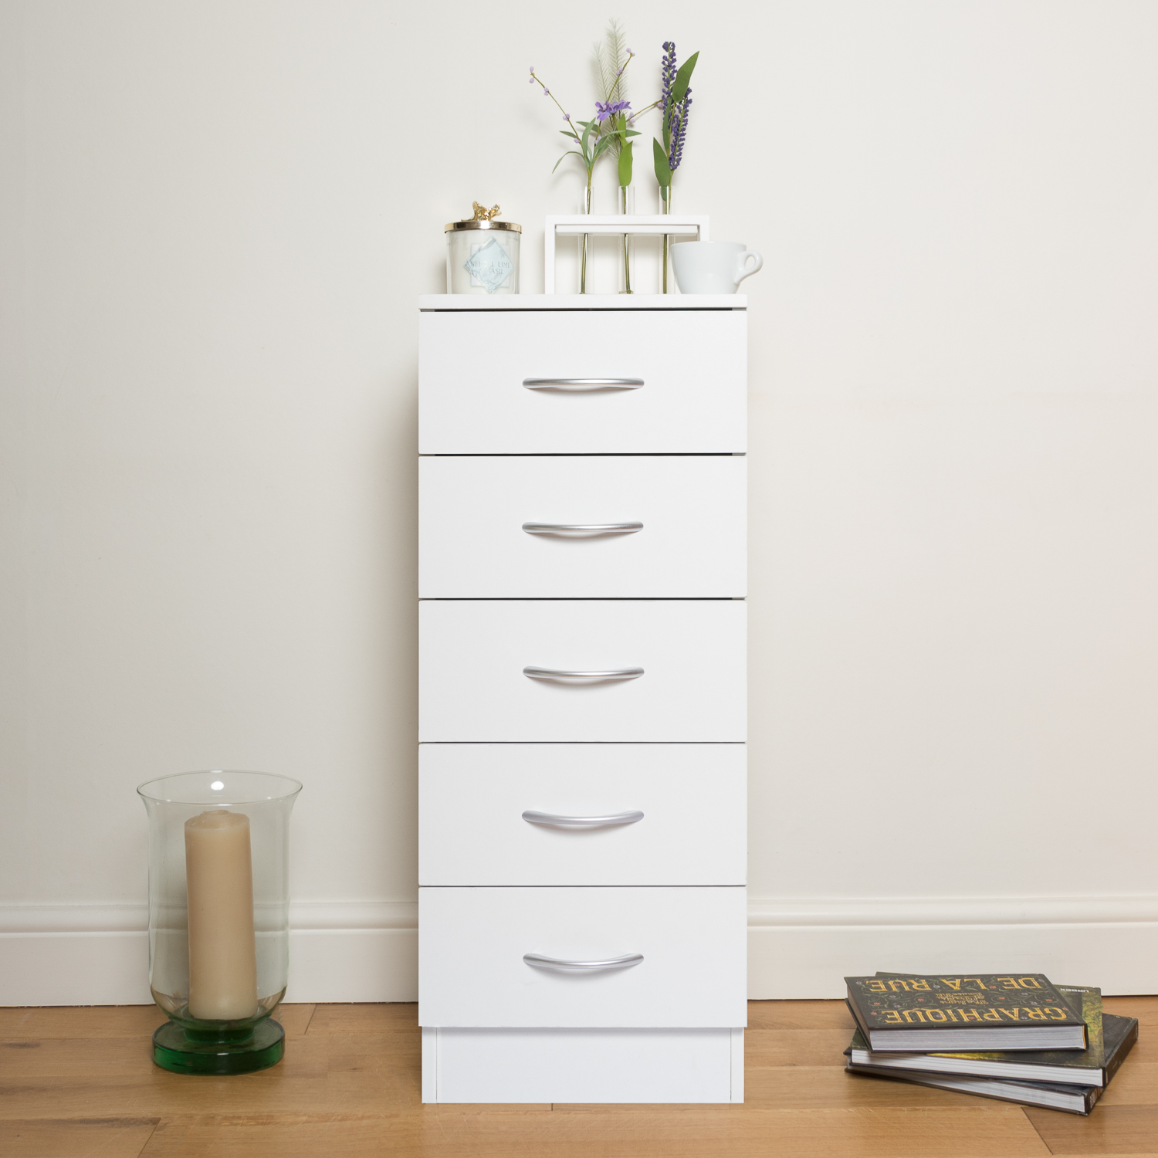 | 34.5*33*85.5cm 12MM high-density MDF All drawers have crossbeams at the bottom, all with 2-in-1 screws and | 26 | £41.40
KA988 | 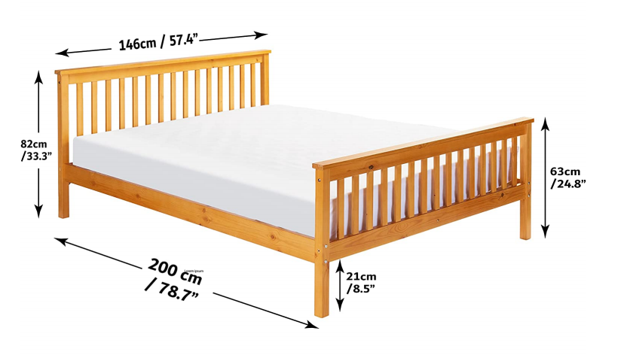 | Product Size:197*147*82cm Pine wood solid wood bed | 112 | £65.00
KA465 |  | 34.5*33*85.5cm 12MM high-density MDF All drawers have crossbeams at the bottom, all with 2-in-1 screws and | 25 | £41.40
KA1301 | 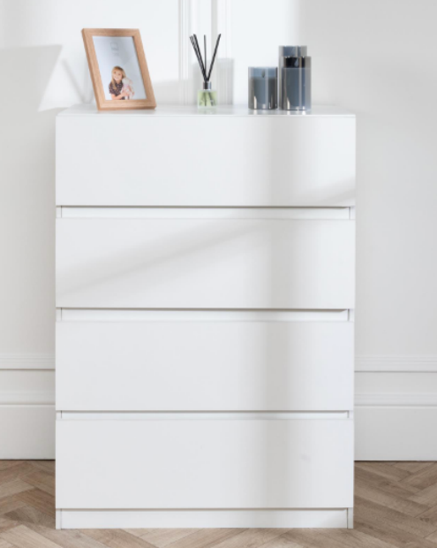 | 70*40*96cm 12MM high-density MDF All drawers have crossbeams at the bottom, all with 2-in-1 screws and | 249 | £41.40
KA1302 | 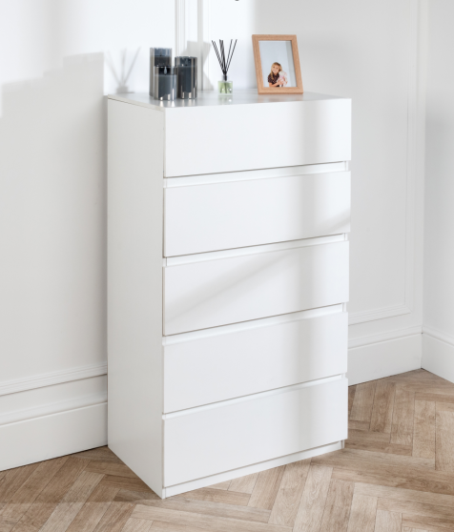 | 70*40*112cm 12MM high-density MDF All drawers have crossbeams at the bottom, all with 2-in-1 screws and | 193 | £41.40
KA1365 | 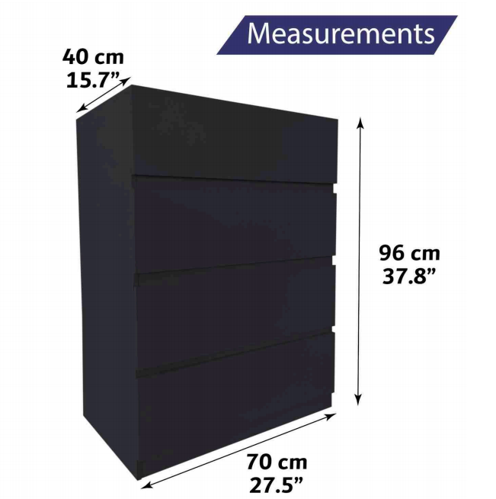 | 70*40*96cm 12MM high-density MDF All drawers have crossbeams at the bottom, all with 2-in-1 screws and | 195 | £41.40
KA1366 | 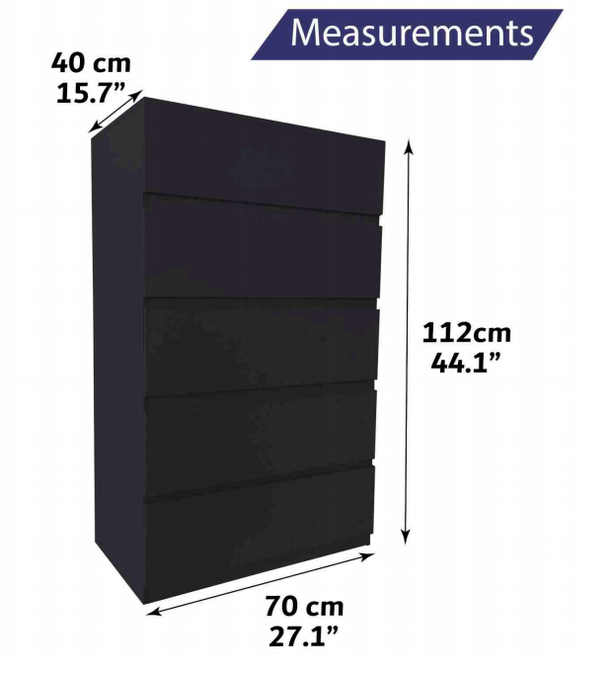 | 70*40*112cm 12MM high-density MDF All drawers have crossbeams at the bottom, all with 2-in-1 screws and | 144 | £41.40

 |  |  | 3475

